Sheet1
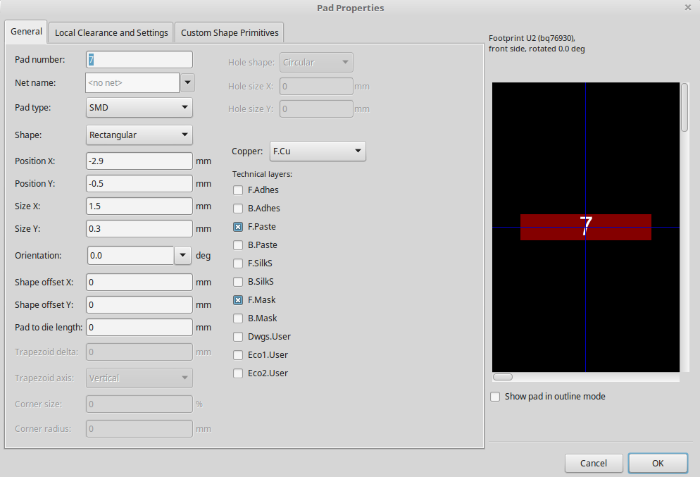
 |  | y
-7 | 1 | -3.50
-6 | 2 | -3.00
-5 | 3 | -2.50
-4 | 4 | -2.00
-3 | 5 | -1.50
-2 | 6 | -1.00
-1 | 7 | -0.50
0 | 8 | 0.00
1 | 9 | 0.50
2 | 10 | 1.00
3 | 11 | 1.50
4 | 12 | 2.00
5 | 13 | 2.50
6 | 14 | 3.00
7 | 15 | 3.50
 |  | kicad
pad spacing width | 5.8 | 2.9

pad spacing
width | 0.5 | 0.5

